Final Stacked Area Chart
Sunset Stacked Area Time Chart
 | Sunset Off | Sunset | Sunset Minus Sunset Off | Maximum | 19:55:00
1 | 17:35:00 | 17:55:00 | 0.01389 | 0.08333
2 | 17:36:00 | 17:56:00 | 0.01389 | 0.08264
3 | 17:37:00 | 17:57:00 | 0.01389 | 0.08194
4 | 17:38:00 | 17:58:00 | 0.01389 | 0.08125
5 | 17:39:00 | 17:59:00 | 0.01389 | 0.08056
6 | 17:40:00 | 18:00:00 | 0.01389 | 0.07986
7 | 17:41:00 | 18:01:00 | 0.01389 | 0.07917
8 | 17:42:00 | 18:02:00 | 0.01389 | 0.07847
9 | 17:43:00 | 18:03:00 | 0.01389 | 0.07778
10 | 17:44:00 | 18:04:00 | 0.01389 | 0.07708
11 | 17:45:00 | 18:05:00 | 0.01389 | 0.07639
12 | 17:46:00 | 18:06:00 | 0.01389 | 0.07569
13 | 18:50:00 | 19:10:00 | 0.01389 | 0.03125
14 | 18:51:00 | 19:11:00 | 0.01389 | 0.03056
15 | 18:52:00 | 19:12:00 | 0.01389 | 0.02986
16 | 18:53:00 | 19:13:00 | 0.01389 | 0.02917
17 | 18:54:00 | 19:14:00 | 0.01389 | 0.02847
18 | 18:55:00 | 19:15:00 | 0.01389 | 0.02778
19 | 18:56:00 | 19:16:00 | 0.01389 | 0.02708
20 | 18:57:00 | 19:17:00 | 0.01389 | 0.02639
21 | 18:58:00 | 19:18:00 | 0.01389 | 0.02569
22 | 18:59:00 | 19:19:00 | 0.01389 | 0.02500
23 | 19:00:00 | 19:20:00 | 0.01389 | 0.02431
24 | 19:01:00 | 19:21:00 | 0.01389 | 0.02361
25 | 19:02:00 | 19:22:00 | 0.01389 | 0.02292
26 | 19:03:00 | 19:23:00 | 0.01389 | 0.02222
27 | 19:04:00 | 19:24:00 | 0.01389 | 0.02153
28 | 19:05:00 | 19:25:00 | 0.01389 | 0.02083
29 | 19:06:00 | 19:26:00 | 0.01389 | 0.02014
30 | 19:07:00 | 19:27:00 | 0.01389 | 0.01944

Raw Data
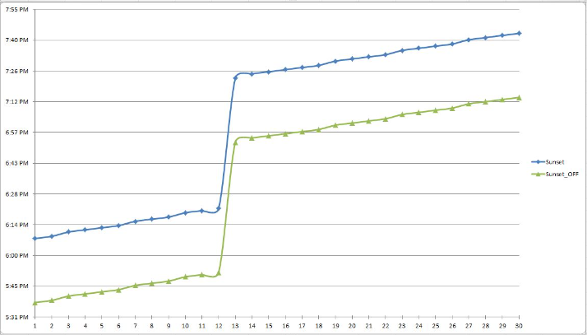
 | Sunset Off | Sunset
1 | 17:35:00 | 17:55:00
2 | 17:36:00 | 17:56:00
3 | 17:37:00 | 17:57:00
4 | 17:38:00 | 17:58:00
5 | 17:39:00 | 17:59:00
6 | 17:40:00 | 18:00:00
7 | 17:41:00 | 18:01:00
8 | 17:42:00 | 18:02:00
9 | 17:43:00 | 18:03:00
10 | 17:44:00 | 18:04:00
11 | 17:45:00 | 18:05:00
12 | 17:46:00 | 18:06:00
13 | 18:50:00 | 19:10:00
14 | 18:51:00 | 19:11:00
15 | 18:52:00 | 19:12:00
16 | 18:53:00 | 19:13:00
17 | 18:54:00 | 19:14:00
18 | 18:55:00 | 19:15:00
19 | 18:56:00 | 19:16:00
20 | 18:57:00 | 19:17:00
21 | 18:58:00 | 19:18:00
22 | 18:59:00 | 19:19:00
23 | 19:00:00 | 19:20:00
24 | 19:01:00 | 19:21:00
25 | 19:02:00 | 19:22:00
26 | 19:03:00 | 19:23:00
27 | 19:04:00 | 19:24:00
28 | 19:05:00 | 19:25:00
29 | 19:06:00 | 19:26:00
30 | 19:07:00 | 19:27:00

